xlookup
emp id | emp name | designation | email id |  |  | emp id | emp name | designation | email id
1 | Neha Sharma | Senior Software Engineer | neha.sharma@yahoo.co.in |  |  | 5 | Priya Reddy | Operations Director | priya.reddy@yahoo.co.in
2 | Rajesh Patel | Financial Analyst | rajesh.patel@yahoo.co.in |  |  | 14 | Rahul Gupta | Financial Analyst | rahul.gupta@yahoo.co.in
3 | Aishwarya Singh | Marketing Manager | aishwarya.singh@yahoo.co.in |  |  | 11 | Divya Menon | Product Designer | divya.menon@yahoo.co.in
4 | Suresh Kumar | HR Coordinator | suresh.kumar@yahoo.co.in |  |  | 9 | Meera Desai | HR Coordinator | meera.desai@yahoo.co.in
5 | Priya Reddy | Operations Director | priya.reddy@yahoo.co.in
6 | Sanjay Verma | Product Designer | sanjay.verma@yahoo.co.in
7 | Anjali Khanna | Marketing Manager | anjali.khanna@yahoo.co.in
8 | Vikram Malhotra | Senior Software Engineer | vikram.malhotra@yahoo.co.in
9 | Meera Desai | HR Coordinator | meera.desai@yahoo.co.in
10 | Arjun Choudhary | Financial Analyst | arjun.choudhary@yahoo.co.in
11 | Divya Menon | Product Designer | divya.menon@yahoo.co.in
12 | Akash Joshi | Operations Director | akash.joshi@yahoo.co.in
13 | Nisha Shah | Senior Software Engineer | nisha.shah@yahoo.co.in
14 | Rahul Gupta | Financial Analyst | rahul.gupta@yahoo.co.in
15 | Pooja Mishra | Marketing Manager | pooja.mishra@yahoo.co.in

TABLE 1 |  |  |  |  |  | TABLE 2 |  |  |  |  |  | in both of these tables the column
Order# | Item# | Quantity | Cust ID |  |  | Customer(Business Names) | Sales Representative |  | Cust ID |  |  | "customer ID" or "Cust ID" is the same
1001 | D122 | 33 | 654 |  |  | Cozy Corner Café | Jennifer Thompson |  | 654 |  |  | In this case we are looking at 'how to apply xlookup if both the tables are on a different sheet'. Suppose table 1 and table2 are in the different sheets.
1002 | S942 | 58 | 446 |  |  | Green Thumb Gardening | Kevin Nguyen |  | 446 |  |  | U can assume that the final table (answer sheet) is on the 3rd sheet or u can assume that xlookup is even possible if the 3rd table is in the same sheet as of 1 of the tables.
1003 | D123 | 54 | 470 |  |  | Sweet Treats Bakery | Brittany Martinez |  | 470 |  |  | Order# | Item# | Quantity | Cust ID | Customer(Business Names) | Sales Representative
1004 | S943 | 66 | 451 |  |  | Urban Outfitters Boutique | Jason Reynolds |  | 451 |  |  | 1001 | D122 | 33 | 654 | Cozy Corner Café | Jennifer Thompson
1005 | D124 | 19 | 552 |  |  | Sparkle & Shine Cleaning Services | Sarah Brown |  | 552 |  |  | 1002 | S942 | 58 | 446 | Green Thumb Gardening | Kevin Nguyen
1006 | S944 | 65 | 312 |  |  | Tech Titans IT Solutions | Derek Davis |  | 312 |  |  | 1003 | D123 | 54 | 470 | Sweet Treats Bakery | Brittany Martinez
1007 | D125 | 69 | 467 |  |  | Pet Paradise Grooming | Amanda White |  | 467 |  |  | 1004 | S943 | 66 | 451 | Urban Outfitters Boutique | Jason Reynolds
1008 | S945 | 56 | 498 |  |  | Blissful Spa & Wellness | Tyler Garcia |  | 498 |  |  | 1005 | D124 | 19 | 552 | Sparkle & Shine Cleaning Services | Sarah Brown
1009 | D126 | 49 | 340 |  |  | Little Learners Daycare | Emily Robinson |  | 340 |  |  | 1006 | S944 | 65 | 312 | Tech Titans IT Solutions | Derek Davis
1010 | S946 | 19 | 345 |  |  | Fresh Start Organic Grocery | Adam Thomas |  | 345 |  |  | 1007 | D125 | 69 | 467 | Pet Paradise Grooming | Amanda White
1011 | D127 | 30 | 422 |  |  | Home Haven Decor | Samantha Clark |  | 422 |  |  | 1008 | S945 | 56 | 498 | Blissful Spa & Wellness | Tyler Garcia
1012 | S947 | 57 | 619 |  |  | Quick Fix Handyman | Nicholas Lewis |  | 619 |  |  | 1009 | D126 | 49 | 340 | Little Learners Daycare | Emily Robinson
1013 | D128 | 44 | 445 |  |  | Serenity Yoga Studio | Heather Hill |  | 445 |  |  | 1010 | S946 | 19 | 345
1014 | S948 | 11 | 500 |  |  | Crafted Creations Jewelry | Ryan Mitchell |  | 500 |  |  | 1011 | D127 | 30 | 422
1015 | D129 | 7 | 402 |  |  | Pure Essence Skincare | Stephanie Wright |  | 402 |  |  | 1012 | S947 | 57 | 619
1016 | S949 | 40 | 634 |  |  | Bright Minds Tutoring | Matthew Young |  | 634 |  |  | 1013 | D128 | 44 | 445
1017 | D130 | 73 | 650 |  |  | Handy Home Repairs | Lauren Rodriguez |  | 650 |  |  | 1014 | S948 | 11 | 500
1018 | S950 | 19 | 362 |  |  | Blooming Florist | Jonathan Walker |  | 362 |  |  | 1015 | D129 | 7 | 402
1019 | D131 | 42 | 408 |  |  | Gourmet Delights Catering | Megan Hall |  | 408 |  |  | 1016 | S949 | 40 | 634
1020 | D132 | 64 | 347 |  |  | Rustic Roots Furniture | Brandon Allen |  | 347 |  |  | 1017 | D130 | 73 | 650
1021 | S951 | 40 | 372 |  |  | Vibrant Vibes Fitness | Rachel King |  | 372 |  |  | 1018 | S950 | 19 | 362
1022 | D133 | 33 | 359 |  |  | Custom Cuts Hair Salon | Justin Baker |  | 359 |  |  | 1019 | D131 | 42 | 408
1023 | S952 | 42 | 310 |  |  | Paw Prints Pet Supplies | Ashley Scott |  | 310 |  |  | 1020 | D132 | 64 | 347
1024 | D134 | 6 | 524 |  |  | Elegant Events Planning | Eric Green |  | 524 |  |  | 1021 | S951 | 40 | 372
1025 | S953 | 43 | 597 |  |  | Tiny Tots Clothing | Jessica Carter |  | 597 |  |  | 1022 | D133 | 33 | 359
1026 | D135 | 49 | 496 |  |  | Whisk & Bake Patisserie | Timothy Adams |  | 496 |  |  | 1023 | S952 | 42 | 310
1027 | S954 | 42 | 670 |  |  | Harmony Music Lessons | Olivia Baker |  | 670 |  |  | 1024 | D134 | 6 | 524
1028 | D136 | 52 | 602 |  |  | Cozy Nook Bookstore | Daniel Wright |  | 602 |  |  | 1025 | S953 | 43 | 597
1029 | S955 | 43 | 350 |  |  | Eco-Friendly Cleaning Co. | Michelle Rivera |  | 350 |  |  | 1026 | D135 | 49 | 496
1030 | D137 | 70 | 596 |  |  | Trendy Threads Boutique | Joshua Campbell |  | 596 |  |  | 1027 | S954 | 42 | 670
1031 | S956 | 16 | 341 |  |  | Joyful Journeys Travel Agency | Elizabeth Ward |  | 341 |  |  | 1028 | D136 | 52 | 602
1032 | D138 | 66 | 565 |  |  | Peak Performance Coaching | Kyle Stewart |  | 565 |  |  | 1029 | S955 | 43 | 350
1033 | S957 | 5 | 349 |  |  | Artistic Expressions Art Studio | Kimberly Price |  | 349 |  |  | 1030 | D137 | 70 | 596
1034 | D139 | 80 | 505 |  |  | Fresh & Fit Meal Prep | Brian Bell |  | 505 |  |  | 1031 | S956 | 16 | 341
1035 | S958 | 7 | 623 |  |  | Little Sprouts Nursery | Victoria Perry |  | 623 |  |  | 1032 | D138 | 66 | 565
1036 | D140 | 36 | 642 |  |  | Modern Market Consignment | Andrew Ward |  | 642 |  |  | 1033 | S957 | 5 | 349
1037 | S959 | 16 | 352 |  |  | Glitz & Glam Beauty | Amanda Taylor |  | 352 |  |  | 1034 | D139 | 80 | 505
1038 | D141 | 32 | 525 |  |  | Happy Paws Pet Sitting | Benjamin Moore |  | 525 |  |  | 1035 | S958 | 7 | 623
1039 | D142 | 5 | 673 |  |  | Smoothie Bliss Bar | Danielle Turner |  | 673 |  |  | 1036 | D140 | 36 | 642
1040 | S961 | 23 | 669 |  |  | Purely Pilates Studio | Christopher Reed |  | 669 |  |  | 1037 | S959 | 16 | 352
1041 | D143 | 33 | 429 |  |  | Chic & Unique Gifts | Hannah Cooper |  | 429 |  |  | 1038 | D141 | 32 | 525
1042 | S962 | 7 | 336 |  |  | On-the-Go Mobile Car Wash | Patrick Brooks |  | 336 |  |  | 1039 | D142 | 5 | 673
1043 | D144 | 29 | 457 |  |  | Bright Beginnings Preschool | Maria Martin |  | 457 |  |  | 1040 | S961 | 23 | 669
1044 | S963 | 71 | 587 |  |  | The Green Grocer | Zachary Sanchez |  | 587 |  |  | 1041 | D143 | 33 | 429
1045 | D145 | 27 | 671 |  |  | Radiant Smiles Dental | Laura Ross |  | 671 |  |  | 1042 | S962 | 7 | 336
1046 | S964 | 27 | 540 |  |  | Spark Creative Marketing | Jeremy Coleman |  | 540 |  |  | 1043 | D144 | 29 | 457
1047 | D146 | 45 | 532 |  |  | Urban Jungle Plant Shop | Julia Morris |  | 532 |  |  | 1044 | S963 | 71 | 587
1048 | S965 | 82 | 376 |  |  | Perfectly Polished Nails | Gregory Powell |  | 376 |  |  | 1045 | D145 | 27 | 671
1049 | D147 | 17 | 482 |  |  | Happy Home Organizers | Rebecca Diaz |  | 482 |  |  | 1046 | S964 | 27 | 540
1050 | S966 | 74 | 408 |  |  | Swift Print Solutions | Nathan Russel |  | 408 |  |  | 1047 | D146 | 45 | 532
 |  |  |  |  |  |  |  |  |  |  |  | 1048 | S965 | 82 | 376
 |  |  |  |  |  |  |  |  |  |  |  | 1049 | D147 | 17 | 482
 |  |  |  |  |  |  |  |  |  |  |  | 1050 | S966 | 74 | 408

Sr_No | Name | Jan | Feb | Mar | Sum(Total Sales) |  | Name | Total Sales |  |  | Sr_No | Total Sales
1 | Jennifer Thompson | 709 | 974 | 616 | 2299 |  | Amanda White | #N/A | 2511 |  | 3 | #N/A |  |  |  | This formula works in normal offline excel files but not in google sheets
2 | Kevin Nguyen | 713 | 541 | 617 | 1871 |  | Sarah Brown | 956 | 599 | 841
3 | Brittany Martinez | 700 | 724 | 554 | 1978
4 | Jason Reynolds | 755 | 945 | 845 | 2545
5 | Sarah Brown | 956 | 599 | 841 | 2396
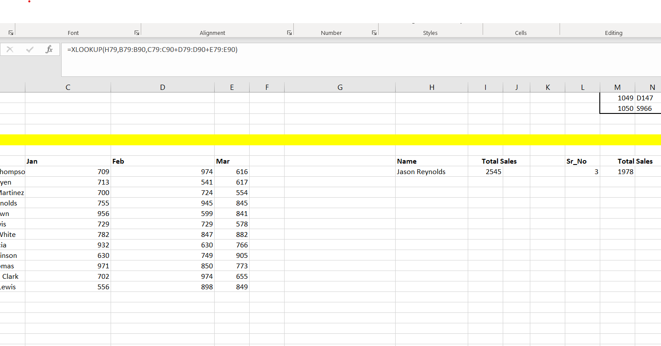
6 | Derek Davis | 729 | 729 | 578 | 2036
7 | Amanda White | 782 | 847 | 882 | 2511
8 | Tyler Garcia | 932 | 630 | 766 | 2328
9 | Emily Robinson | 630 | 749 | 905 | 2284
10 | Adam Thomas | 971 | 850 | 773 | 2594
11 | Samantha Clark | 702 | 974 | 655 | 2331
12 | Nicholas Lewis | 556 | 898 | 849 | 2303

